instructions
INSTRUCTIONS:
1. Select the bmc name which you wanted to import the changegear asset id. | , click import changegear asset id.

2. Make sure excel template contains columns BMC Name and Changegear Asset id matching the bmc Name you wanted to edit.
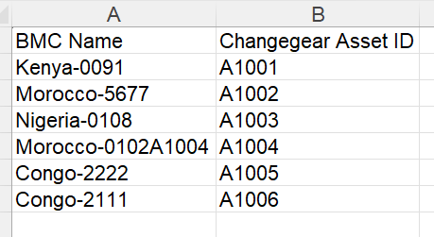

3. After import, noted that the changegear asset id has been imported, and proceed to save the changes.

